Dashboard
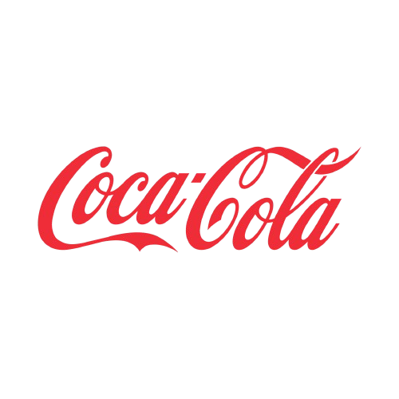
Coca-Cola USA Retail Dashboard
Values in USD

Sales by Beverage Brand |  |  |  | Sales by Retailer
Brand | Sales 2022 | Sales 2023 | Variance | Retailer | Sales 2022 | Sales 2023 | Variance
Coca-Cola | $499,102 | $2,268,975 | $1,769,873 | Amazon | $276,210 | $1,009,699 | $733,489
Dasani Water | $469,271 | $1,917,828 | $1,448,557 | BevCo | $466,788 | $2,327,607 | $1,860,819
Diet Coke | $423,759 | $1,633,959 | $1,210,201 | FizzyCo | $161,210 | $2,262,827 | $2,101,617
Fanta | $315,489 | $1,116,063 | $800,574 | Target | $9,250 | $1,341,995 | $1,332,745
Powerade | $349,534 | $1,302,529 | $952,995 | Walmart | $339,913 | $580,211 | $240,299
Sprite | $366,578 | $1,353,578 | $987,000 | West Soda | $1,170,362 | $2,070,594 | $900,233
Total | $2,423,733 | $9,592,933 | $7,169,200 | Total | $2,423,733 | $9,592,933 | $7,169,200

Sales and Operating Margin by Quarter

